Sheet2
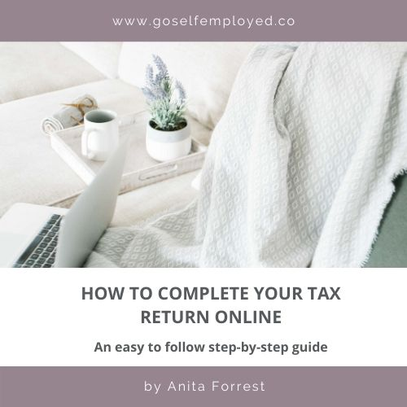

Dashboard
Start Here |  |  | Hourly Rate |  | #DIV/0!
Desired Monthly Take Home Pay
Working Hours Per Day |  |  |  | Income Tax | £-
Sick Days Each Year |  |  |  | National Insurance Contributions | £-
Holiday Days Per Year |  | Total Tax & National Insurance Due |  |  | £-
Bank Holiday days each year |  |  |  | Payment on Account due | £-
Chargeable Time % |  | Total Tax & NI to PAY by 31 Jan |  |  | £-
 |  | Payment on Account to PAY by 31 Jul |  |  | £-
Business Cost Analysis
Travel & subsistence
Motor expenses
Entertainment
Rent
Use of Home
Telephone
Internet
Computer equipment
Office stationery & postage
Training & courses
Subscriptions
Insurance
Website
Accounting
Legal & professional
Marketing & advertising
Bank charges & payment processing
Bank interest
Miscellaneous
Contingency
Business re-investment
Annual Sales Target | £-
Income required to cover your desired salary, business costs & tax

Annual Business Costs | £-

Working Hours | Annually
Total | -
Chargeable | -
Non Chargeable | -
Based on working days annually | 261

Useful Reading
How to Register as Self Employed | What is a Business Budget

Disclaimer
This calculator & tax estimator is for estimation purposes only. Actual results will differ.
This calculator is for the tax year 2019/2020. If you require an updated version please email hello@goselfemployed.co
Personal Allowance for those earning between £100,000 - £122,000 lose £1 of Personal Allowance for every £2 of Income and an estimate for this is reflected in above calculations

There is no personal allowance available for those with earnings above £122,000
Always consult a professional for help with this & calculating your tax liabilities and reporting to HMRC.

